Data
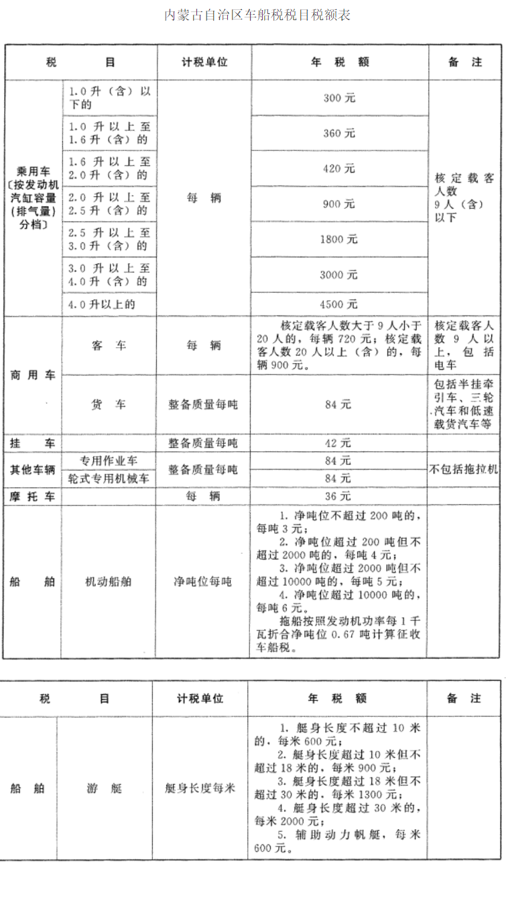
 |  | 裸价 | 购置税 | 上牌费 | 交强险 | 车船税 |  | 买车需要缴纳车船税和购置税，车船税是地方税，需要按省查找，购置税全国统一
客车 | LDV | 150000 | 15000 | 373 | 950 | 390 |  | 新能源车辆2026年前没有购置税
 | HDV | 400000 | 40000 | 373 | 4690 | 900 |  | 乘用车上牌费：个人办理约373元，其中工商验证、出库150元、移动证30元、环保卡3元、拓号费40元、行驶证相片20元、托盘费130元
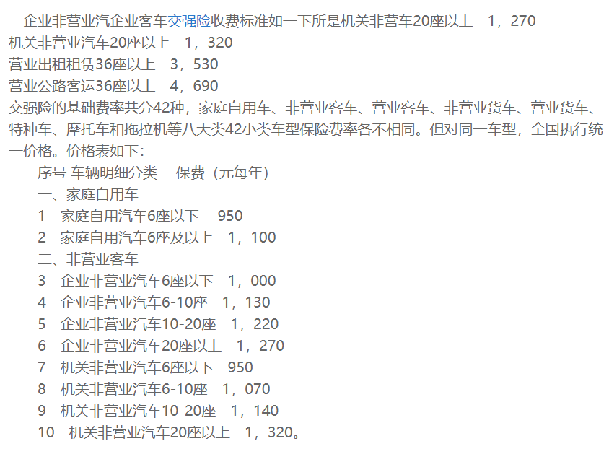
货车 | LDV | 100000 | 10000 | 373 | 3070 | 336 | 按照4吨计算
 | HDV | 300000 | 30000 | 373 | 4480 | 1512 | 按照18吨计算
船舶 |  | 150000 | 15000 | 0 | 0 | 240 | 按照80吨计算
摩托车 |  | 5000 | 500 | 100 | 100 | 36

